BSC_100U_LT_13Feb2017
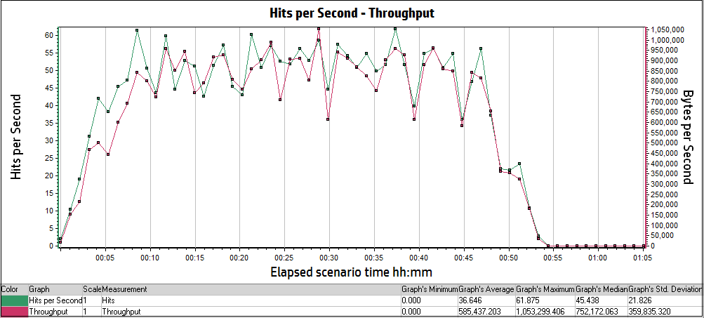
Analysis Summary | Period: 13/02/2017 04:25:59 PM EST- 13/02/2017 05:31:08 PM EST

Scenario Name: | Balance Sheet Calculator 100 Users Load test
Results in Session: | RESTRICTED_TALENT\RESTRICTED_TALENT
Duration: | 1 hour, 5 minutes and 9 seconds.

Statistics Summary
Maximum Running Vusers: | 82
Total Throughput (bytes): | 2,323,014,821
Average Throughput (bytes/second): | 594,121
Total Hits: | 145,412
Average Hits per Second: | 37.19
Total Errors: | 69

Transaction Summary
Transactions: | Total Passed: 5,291 |  | Total Failed: 12 |  | Total Stopped: 1

Transaction Name | Minimum | Average | Maximum | Std. Deviation | 90 Percent | Pass | Fail | Stop
TS01_GHRM_00_LaunchUrl | 0.793 | 0.943 | 2.16 | 0.219 | 1.109 | 74 | 0 | 0
TS01_GHRM_01_Login | 8.491 | 9.801 | 17.591 | 1.294 | 10.462 | 74 | 0 | 0
TS01_GHRM_02_ReturnToMobilityExchange | 15.704 | 18.443 | 47.332 | 3.723 | 19.692 | 74 | 0 | 0
TS01_GHRM_03_Logout | 2.484 | 3.158 | 4.563 | 0.314 | 3.516 | 74 | 0 | 0
TS01_ICS_00_LaunchUrl | 0.853 | 1.112 | 2.164 | 0.267 | 1.569 | 58 | 0 | 0
TS01_ICS_01_Login | 12.849 | 14.582 | 17.113 | 0.985 | 16.269 | 58 | 0 | 0
TS01_ICS_02_IndexTypeInternational | 0.611 | 0.636 | 0.676 | 0.013 | 0.656 | 58 | 0 | 0
TS01_ICS_03_SelectHostLocation | 0.653 | 0.684 | 0.722 | 0.016 | 0.702 | 58 | 0 | 0
TS01_ICS_04_IndexTypeStandard | 0.643 | 0.676 | 0.752 | 0.017 | 0.695 | 58 | 0 | 0
TS01_ICS_05_SelectBaseLocation | 0.54 | 0.571 | 0.613 | 0.017 | 0.598 | 58 | 0 | 0
TS01_ICS_06_ReturnToMobilityExchange | 4.826 | 5.898 | 7.457 | 0.608 | 6.62 | 55 | 3 | 0
TS01_ICS_07_ClientContinue | 6.426 | 7.523 | 9.597 | 0.72 | 8.595 | 55 | 0 | 0
TS01_ICS_08_Logout | 3.179 | 3.756 | 4.899 | 0.389 | 4.25 | 54 | 1 | 0
TS02_GHRM_00_LaunchURL | 0.513 | 0.77 | 3.204 | 0.342 | 1.048 | 135 | 0 | 0
TS02_GHRM_01_Login | 8.405 | 10.098 | 24.217 | 1.926 | 11.657 | 135 | 0 | 0
TS02_GHRM_02_RunANewCalculation | 9.652 | 11.578 | 15.59 | 1.082 | 13.009 | 135 | 0 | 0
TS02_GHRM_03_InputPageContinue | 6.413 | 8.516 | 21.352 | 1.85 | 10.194 | 135 | 0 | 0
TS02_GHRM_04_PreviewPageContinue | 4.631 | 5.987 | 10.77 | 1.004 | 6.943 | 135 | 0 | 0
TS02_GHRM_05_ClickOnPDF | 1.64 | 2.261 | 7.656 | 0.795 | 2.542 | 135 | 0 | 0
TS02_GHRM_06_ClickOnEXCEL | 1.609 | 2.087 | 6.991 | 0.721 | 2.489 | 135 | 0 | 0
TS02_GHRM_07_ReturnToMobilityExchange | 15.4 | 17.902 | 24.96 | 1.401 | 19.458 | 135 | 0 | 0
TS02_GHRM_08_Logout | 2.887 | 3.543 | 5.018 | 0.355 | 4.021 | 135 | 0 | 0
TS02_ICS_00_LaunchUrl | 0.754 | 1.112 | 3.933 | 0.543 | 1.374 | 41 | 0 | 0
TS02_ICS_01_Login | 12.862 | 14.517 | 30.631 | 2.84 | 15.609 | 38 | 1 | 0
TS02_ICS_02_RunANewCalculation | 9.007 | 12.182 | 19.164 | 1.953 | 14.595 | 38 | 0 | 0
TS02_ICS_03_InputPageContinue | 8.978 | 13.856 | 23.748 | 3.98 | 21.1 | 35 | 3 | 0
TS02_ICS_04_PreviewPageContinue | 4.359 | 6.151 | 18.658 | 3.282 | 6.452 | 16 | 0 | 0
TS02_ICS_05_PDFReport | 0.065 | 0.078 | 0.092 | 0.008 | 0.092 | 16 | 0 | 0
TS02_ICS_06_EXCELReport | 0.066 | 0.08 | 0.105 | 0.012 | 0.097 | 13 | 0 | 0
TS02_ICS_07_ReturnToMobilityExchange | 4.865 | 5.288 | 5.725 | 0.242 | 5.52 | 11 | 2 | 0
TS02_ICS_08_ClientContinue | 5.918 | 6.411 | 6.935 | 0.345 | 6.872 | 11 | 0 | 0
TS02_ICS_09_Logout | 2.298 | 3.868 | 4.666 | 0.577 | 4.427 | 11 | 0 | 0
TS03_GHRM_00_LaunchURL | 0.497 | 0.725 | 3.873 | 0.362 | 1.014 | 139 | 0 | 0
TS03_GHRM_01_Login | 7.998 | 9.512 | 18.172 | 1.065 | 10.275 | 139 | 0 | 0
TS03_GHRM_02_RunANewCalculation | 9.101 | 11.809 | 27.955 | 2.042 | 13.626 | 139 | 0 | 0
TS03_GHRM_03_InputPageContinue | 8.05 | 9.925 | 14.398 | 1.296 | 11.753 | 139 | 0 | 0
TS03_GHRM_04_PreviewPageContinue | 3.19 | 4.476 | 11.555 | 1.032 | 5.399 | 139 | 0 | 0
TS03_GHRM_05_ClickOnPDF | 1.481 | 2.104 | 6.82 | 0.681 | 2.496 | 139 | 0 | 0
TS03_GHRM_06_ClickOnEXCEL | 1.455 | 1.847 | 4.215 | 0.342 | 2.244 | 139 | 0 | 0
TS03_GHRM_07_ReturnToMobilityExchange | 15.22 | 17.317 | 24.069 | 1.427 | 19.017 | 139 | 0 | 0
TS03_GHRM_08_Logout | 2.696 | 3.223 | 4.231 | 0.297 | 3.639 | 139 | 0 | 0
TS03_ICS_00_LaunchUrl | 0.981 | 1.453 | 5.167 | 0.715 | 1.657 | 33 | 0 | 0
TS03_ICS_01_Login | 12.995 | 14.823 | 20.472 | 1.477 | 16.282 | 33 | 0 | 0
TS03_ICS_02_RunANewCalculation | 11.639 | 13.963 | 20.976 | 2.225 | 16.749 | 33 | 0 | 0
TS03_ICS_03_InputPageContinue | 10.707 | 15.17 | 22.717 | 2.588 | 18.365 | 33 | 0 | 0
TS03_ICS_04_PreviewPageContinue | 5.107 | 6.141 | 8.366 | 0.721 | 6.744 | 33 | 0 | 0
TS03_ICS_05_PDFReport | 0.083 | 0.115 | 0.559 | 0.083 | 0.183 | 33 | 0 | 0
TS03_ICS_06_ExcelReport | 0.083 | 0.092 | 0.116 | 0.007 | 0.103 | 29 | 0 | 0
TS03_ICS_07_ReturnToMobilityExchange | 5.149 | 5.923 | 7.606 | 0.63 | 6.813 | 28 | 0 | 1
TS03_ICS_08_ClientContinue | 6.959 | 8.079 | 12.108 | 0.978 | 8.888 | 28 | 0 | 0
TS03_ICS_09_Logout | 2.705 | 166.426 | 509.24 | 234.424 | 507.44 | 28 | 0 | 0
TS04_GHRM_00_LaunchURL | 0.365 | 0.722 | 4.185 | 0.372 | 0.969 | 140 | 0 | 0
TS04_GHRM_01_Login | 8.035 | 9.554 | 23.726 | 1.583 | 10.733 | 140 | 0 | 0
TS04_GHRM_02_RunANewCalculation | 9.075 | 11.268 | 26.173 | 1.798 | 12.388 | 137 | 0 | 0
TS04_GHRM_03_InputPageContinue | 6.109 | 8.045 | 12.337 | 1.196 | 9.436 | 135 | 1 | 0
TS04_GHRM_04_PreviewPageContinue | 4.369 | 5.609 | 11.683 | 0.99 | 6.491 | 135 | 0 | 0
TS04_GHRM_05_ClickOnPDF | 1.597 | 2.117 | 6.413 | 0.499 | 2.482 | 135 | 0 | 0
TS04_GHRM_06_ClickOnEXCEL | 1.539 | 1.97 | 5.001 | 0.461 | 2.346 | 135 | 0 | 0
TS04_GHRM_07_ReturnToMobilityExchange | 14.812 | 17.019 | 21.367 | 1.21 | 18.862 | 135 | 0 | 0
TS04_GHRM_08_Logout | 3.026 | 3.586 | 4.769 | 0.321 | 3.947 | 135 | 0 | 0
TS04_ICS_00_LaunchUrl | 1.076 | 1.321 | 5.16 | 0.724 | 2.108 | 36 | 0 | 0
TS04_ICS_01_Login | 13.244 | 14.716 | 19.502 | 1.27 | 15.881 | 36 | 0 | 0
TS04_ICS_02_RunANewCalculation | 9.848 | 12.619 | 17.898 | 1.959 | 15.669 | 36 | 0 | 0
TS04_ICS_03_InputPageContinue | 12.067 | 17.12 | 25.106 | 3.293 | 21.963 | 36 | 0 | 0
TS04_ICS_04_PreviewPageContinue | 5.337 | 6.36 | 8.766 | 0.689 | 7.132 | 36 | 0 | 0
TS04_ICS_05_ClickOnPDF | 0.08 | 0.1 | 0.178 | 0.016 | 0.115 | 36 | 0 | 0
TS04_ICS_06_ClickOnEXCEL | 0.085 | 0.096 | 0.108 | 0.008 | 0.108 | 9 | 0 | 0
TS04_ICS_07_ReturnToMobilityExchange | 5.169 | 5.898 | 6.811 | 0.513 | 6.811 | 8 | 1 | 0
TS04_ICS_08_ClientContinue | 6.522 | 7.129 | 8.06 | 0.497 | 8.06 | 8 | 0 | 0
TS04_ICS_09_Logout | 3.403 | 3.786 | 4.667 | 0.369 | 4.667 | 8 | 0 | 0

HTTP Responses Summary
HTTP Responses | Total | Per second
HTTP_200 | 134,895 | 34.5
HTTP_206 | 7 | 0.002
HTTP_301 | 1,449 | 0.371
HTTP_302 | 5,340 | 1.366
HTTP_304 | 25 | 0.006
HTTP_404 | 3,687 | 0.943
HTTP_500 | 3 | 0.001

Running Vusers vs Average Transaction Response Time:

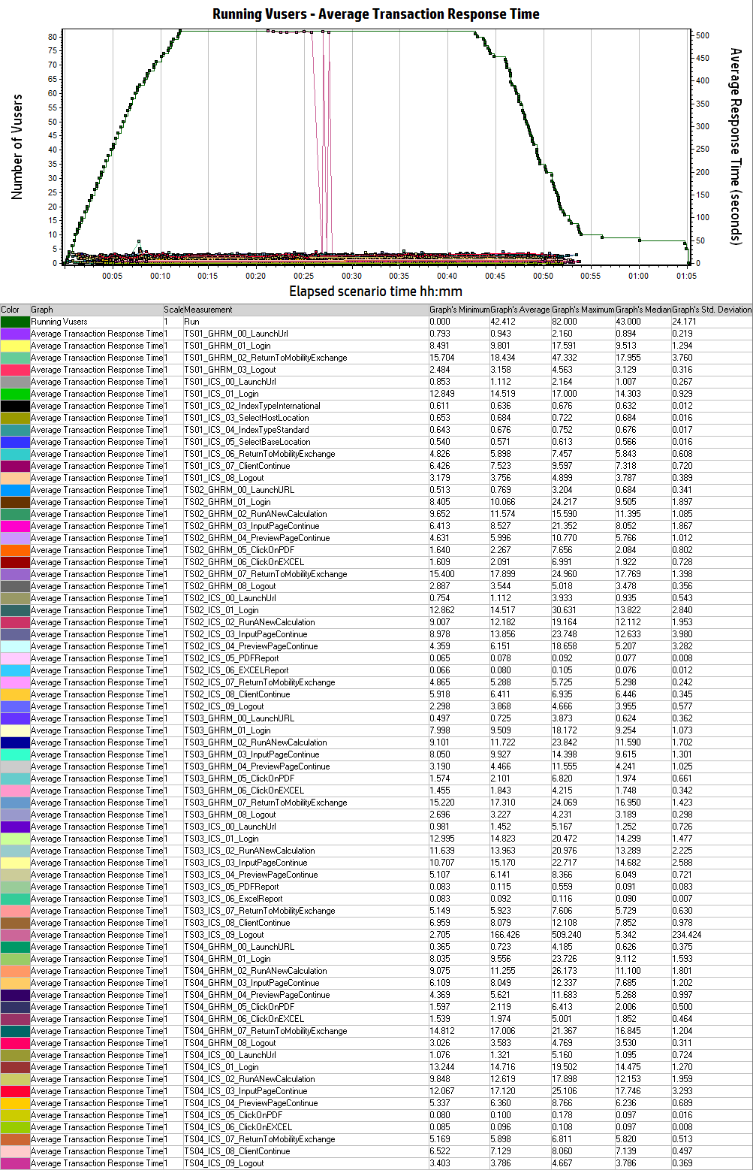

Hits per second vs Throughput:

